Sheet1
1. Short-term objectives for recreational waters (Environment Reference Standard), from page 4 of EPA's Health impact of Painkalac estuary water - Sampling Plan (18/03/2022)
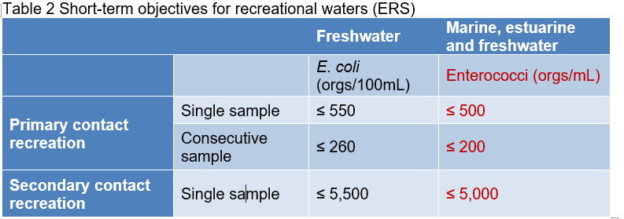

2. Sampling locations
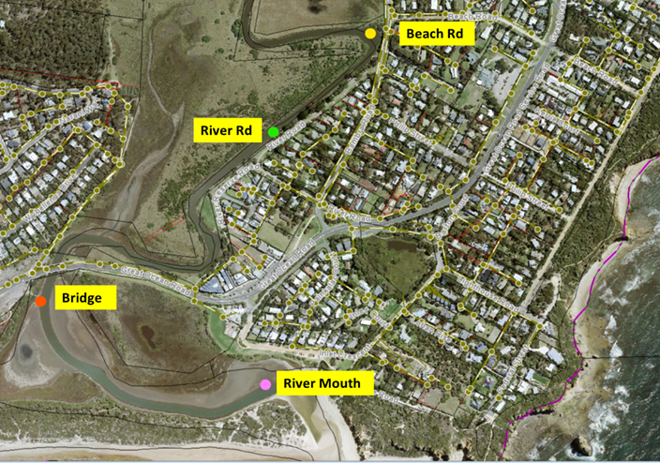

3. Sampling results (enterococci organisms / 100 mls)

 | DATE
 | 12/12/2022 |  | 20/12/2022 |  | 28/12/2022 |  | 2023-04-01 |  | 2023-09-01 |  | 18/1/2023 |  | 23/1/2023 |  | 2023-01-02 |  | 2023-07-02 |  | 14/2/2023 |  | 22/02/2023 |  | 27/2/2023 |  | 2023-07-03 |  | 14/03/2023 |  | 22/3/2023 |  | 27/03/2023 |  | 2023-05-04 |  | 2023-11-04 |  | 19/04/2023 |  | 24/4/2023 |  |  | 2022-12-12 | 2022-12-20 | 2022-12-28 | 2023-04-01 | 2023-01-09 | 18/1/23 | 23/1/23 | 2023-02-01 | 2023-02-07 | 14/02/23 | 22/02/23 | 27/02/23 | 2023-03-07 | 14/03/23 | 22/03/23 | 27/03/23 | 2023-04-05 | 2023-04-11 | 19/04/23 | 24/04/23
LOCATION ↓ | org / 100ml | KNSI | org / 100ml | KNSI | org / 100ml | KNSI | org / 100ml | KNSI | org / 100ml | KNSI | org / 100ml | KNSI | org / 100ml | KNSI | org / 100ml | KNSI | org / 100ml | KNSI | org / 100ml | KNSI | org / 100ml | KNSI | org / 100ml | KNSI | org / 100ml | KNSI | org / 100ml | KNSI | org / 100ml | KNSI | org / 100ml | KNSI | org / 100ml | KNSI | org / 100ml | KNSI | org / 100ml | KNSI | org / 100ml | KNSI | River Mouth | 74 | <10 | 310 | 30 | 63 | 37 | 6 | 820 | 25 | 8 | 33 | 140 | 18 | 9 | 11 | 20 | 21 | 100 | 41 | 43
River Mouth | 74 | 18+ K<7 Pws. Hlf | <10 | Ad C&k Hlf | 310 | 18+ K<7 Swm Hlf | 30 | 18+ Teens Swm Hlf | 63 | 18+ Swm, Pws, C&k Hlf | 37 | K<7 Pws Hlf | 6 | 18+ C&k Hlf | 820 | No users. Hlf | 25 | No users. Hlf | 8 | No users. Hlf | 33 | K<7 Pws Hlf | 140 | No users. Hlf | 18 | No users. Hlf | 9 | C&k Teens Hlf | 11 | No users. Hlf | 20 | K<7 PWS Hlf | 21 | No users. Hlf | 100 | No users. Hlf | 41 | No users. Hlf | 43 | No users. Hlf | Bridge | 810 | 41 | 260 | 10 | 63 | 78 | 48 | 93 | 28 | 20 | 12 | 25 | 36 | 69 | 310 | 70 | 15 | 100 | 21 | 74
Bridge | 810 | 18+ Fsh C&k Mlf | 41 | Ad C&k Mlf | 260 | Hlf | 10 | 18+ K<7 Fsh Mlf | 63 | 18+ K<7 Fsh Mlf | 78 | 18+ K<7 Btg Pws Mlf | 48 | 18+ Fsh Mlf | 93 | No users. Mlf | 28 | No users. Mlf | 20 | No users. Mlf | 12 | No users. Mlf | 25 | No users. Mlf | 36 | No users. Mlf | 69 | No users. Mlf | 310 | No users. Mlf | 70 | Fsh, 18+ Mlf | 15 | No users. Mlf | 100 | No users. Mlf | 21 | No users. Mlf | 74 | No users. Mlf | River Rd | 170 | 170 | 590 | 10 | 290 | 2400 | 490 | 1600 | 160 | 550 | 36 | 200 | 140 | 330 | 870 | 170 | 50 | 2400 | 66 | 79
River Rd | 170 | No users. Mlf | 170 | N/A | 590 | No users. Mlf | 10 | Aa Swm Mlf | 290 | 18+ Fsh Mlf | >2400 | 18+ Fsh Mlf | 490 | 18+ Fsh Mlf | 1600 | 18+ Fsh Mlf | 160 | No users. Mlf | 550 | No users. Mlf | 36 | No users. Mlf | 200 | No users. Mlf | 140 | No users. Mlf | 330 | Swm, Pws <7 Mlf | 870 | No users. Mlf | 170 | No users. Mlf | 50 | No users. Mlf | >2400 | 18+ Fsh Mlf | 66 | No users. Mlf | 79 | No users. Mlf | Beach Rd | 74 | 1300 | 2000 | 73 | 470 | 180 | 770 | 2400 | 410 | 440 | 58 | 1100 | 170 | 120 | 1300 | 160 | 78 | 370 | 91 | 390
Beach Rd | 74 | No users. Mlf | 1300 | N/A | 2000 | No users. Mlf | 73 | 18+ Fsh Mlf | 470 | Ad & Teen Fish C&k Mlf | 180 | 18+ Fsh Mlf | 770 | 18+ Fsh Mlf | >2400 | No users. Mlf | 410 | No users. Mlf | 440 | 18+ Fsh Mlf | 58 | No users. Mlf | 1100 | No users. Mlf | 170 | No users. Mlf | 120 | No users. Mlf | 1300 | No users. Mlf | 160 | No users. Mlf | 78 | No users. Mlf | 370 | No users. Mlf | 91 | No users. Mlf | 390 | No users. Mlf | Rain | 100 | 0 | 0 | 0 | 0 | 100 | 0 | 100 | 0 | 0 | 0 | 100 | 100 | 0 | 100 | 100 | 0 | 0 | 100 | 0
Elevated indicators (common to all locations above) | 5mm rain in past 24hrs |  | N/A |  | N/A |  | N/A |  | N/A |  | 5mm rain in past 24hrs |  | N/A |  | 5mm rain in past 24hrs |  | N/A |  | N/A |  | N/A |  | 5mm rain in past 24hrs |  | 5mm rain in past 24hrs |  | N/A |  | 5mm rain in past 24hrs |  | 5mm rain in past 24hrs |  | N/A |  | N/a |  | 5mm rain in past 24hrs |  | N/a |  | Elevated indicators (common to all locations above) | 5mm rain in past 24hrs | N/A | N/A | N/A | N/A | 5mm rain in past 24hrs | N/A | 5mm rain in past 24hrs | N/A | N/A | N/A | 5mm rain in past 24hrs | 5mm rain in past 24hrs | N/A | 5mm rain in past 24hrs | 5mm rain in past 24hrs | N/A | N/a | 5mm rain in past 24hrs | N/a

LEGEND for:
org/100ml (organisms per 100 ml) shown in:
• bold are those >200 orgs, which is the limit if doing consecutive sampling for Primary Recreation Contact (when the first had exceeded 500)
• bold red are those >500 orgs, which is the limit for a single sample for Primary Recreation Contact
• bold red underlined are those >5,000 orgs, which is the limit for a single sample for Secondary Recreation Contact

KNSI (Key Notes from Sanitary Inspection):
Row 1 - AGE Group: K<7 = kids <7 y.o.; Teens = Teenagers; 18+ = adults; >60 = >60 y.o.; Aa (all ages).
Row 2 - ACTIVITY: Btg - boating; C&k - canoe & kayaking; Fsh - fishing; Pws - Playing in wet sand; Swm - swimming.
Row 3 - FLUSHING: Hlf - High level flushing (coastal); Mlf - Medium level flushing (estuarine); Llf - low level flushing (lagoon)

Painkalac Estuary enteroccoci organisms/100ml ERS Limit: Primary contact = 550; Primary secondary sample = 220; Secondary contact = 5,000

